Incident Screenshot
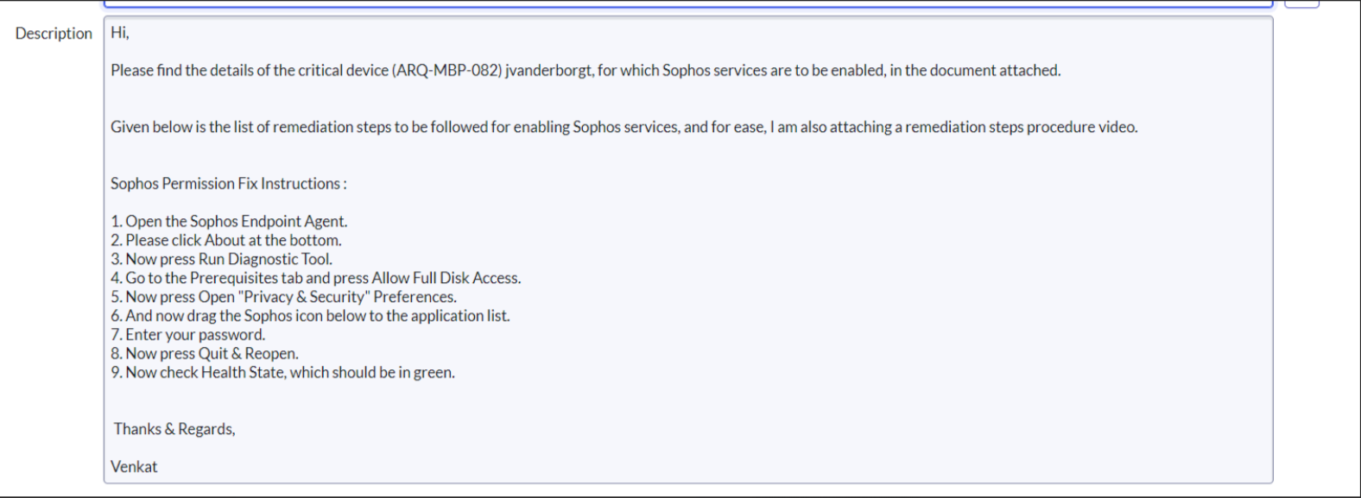
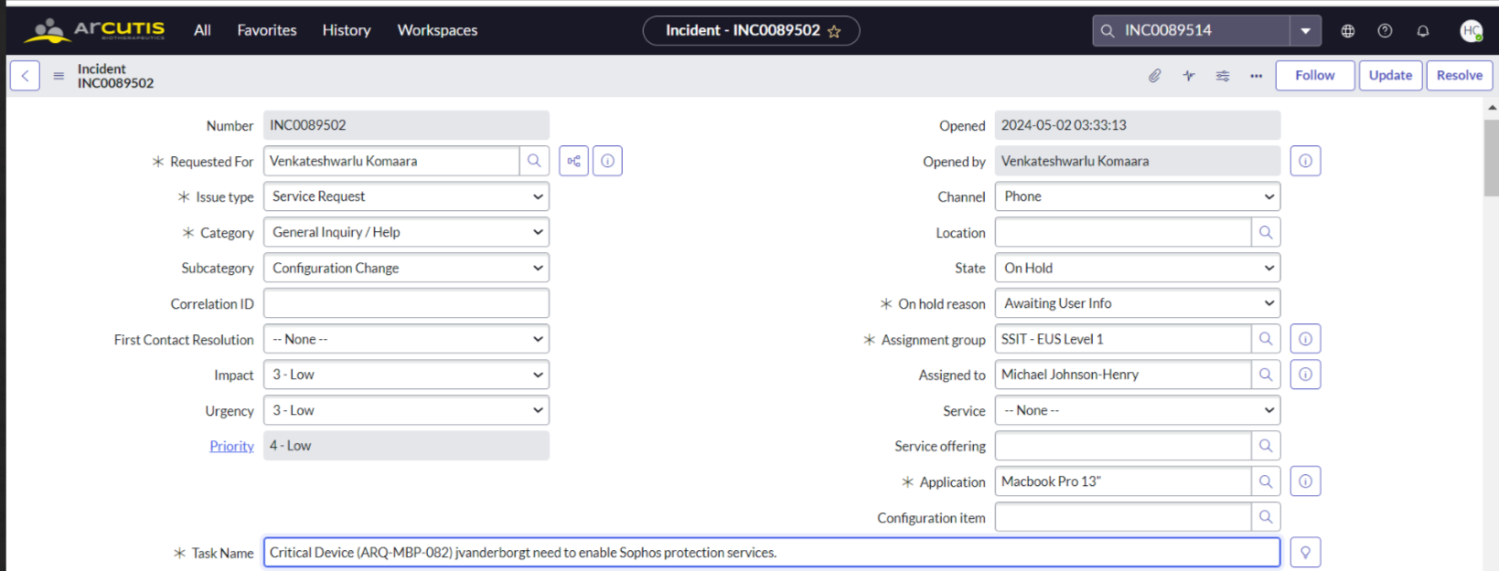

Mention the issue type as updated in the incident
Mention the category
Mention subcategory
Assignment group: SSIT EUS Level 1
Application based on the excel macbook or windows

Word document
Device Details:
Health Status | Critical
Name | ARQ-00343
OS | Windows 10 Enterprise
Protection | Intercept X Advanced
Last user | EdShupenus
Last active | May 6, 2024 6:04 AM
Group | Windows
Tamper protection | on
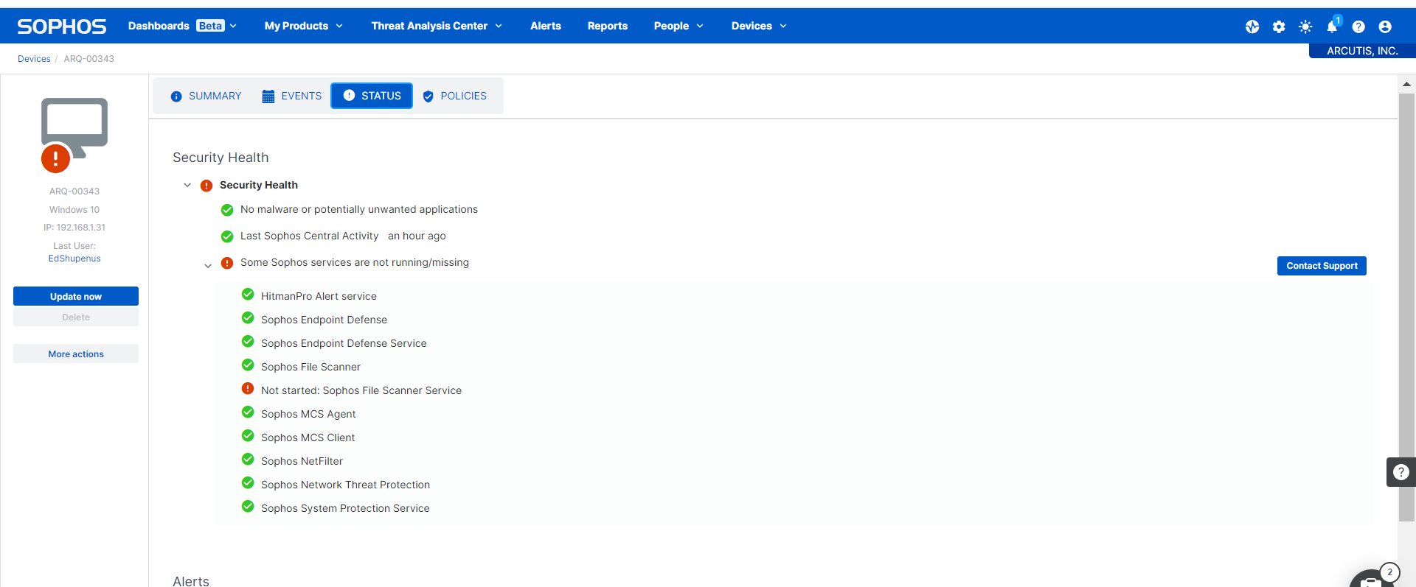

Sophos Permission Fix Instructions:

1. Open the Sophos Endpoint Agent.
2. Please click About at the bottom.
3. Now press Run Diagnostic Tool.
4. Go to the Prerequisites tab and press Allow Full Disk Access.
5. Now press Open "Privacy & Security" Preferences.
6. And now drag the Sophos icon below to the application list.
7. Enter your password.
8. Now press Quit & Reopen.
9. Now check Health State, which should be in green.

